Data source excerpt
国内目前未见有类似的低碳燃料标准施行。2009年，中国标准化研究院牵头多家单位，共同起草了《交通燃料使用前各生命周期阶段温室气体排放的评价原则和要求》和《交通燃料使用前各生命周期阶段温室气体报告和核查要求》两项国家标准的报批稿，然而未见实施。
对于我国的液体燃料供应商及相关政府部门和研究机构，可酌情参考国外比较成熟的范例，例如：美国联邦的RFS及加州的LCFS，构建我国的相关标准体系。

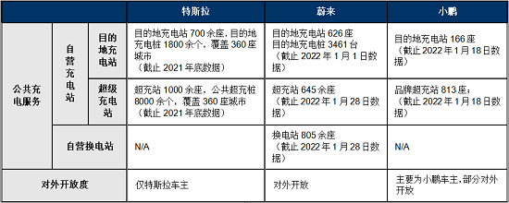

CFS强制液体化石燃料（汽油、柴油、家庭取暖用燃料油等，但航空燃料不在范围内）生产或进口商降低其产品CI值

